Contact
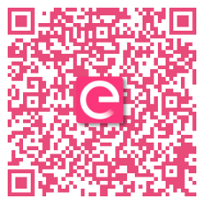
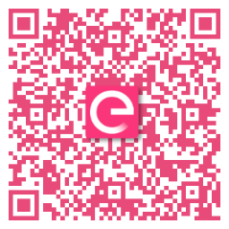
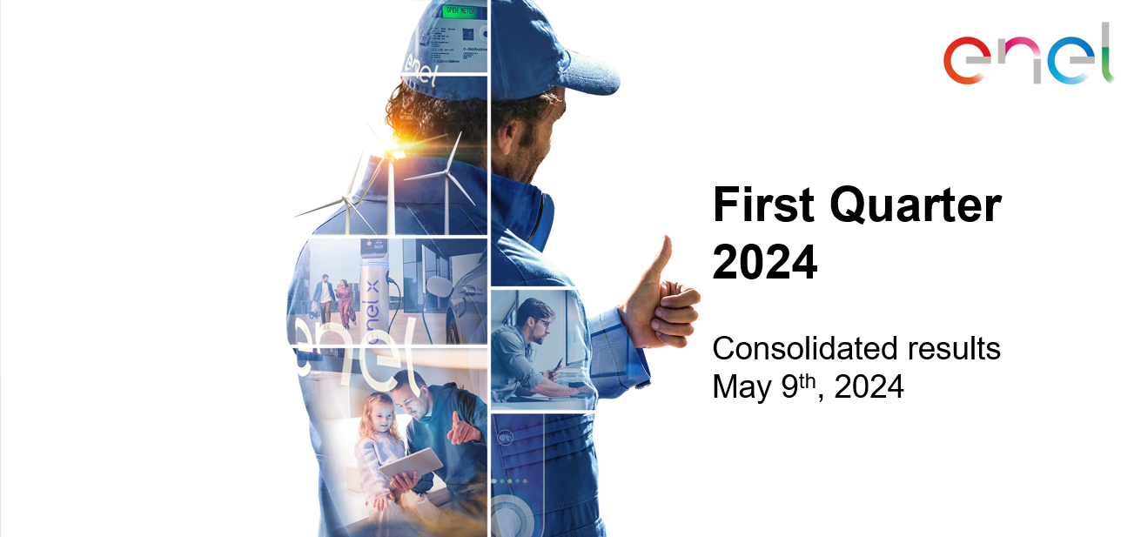

Investor Relations Team
investor.relations@enel.com
+39 06 8305 7975

Website
www.enel.com/investors

Investor Relations App
iOS
Android

