Contact
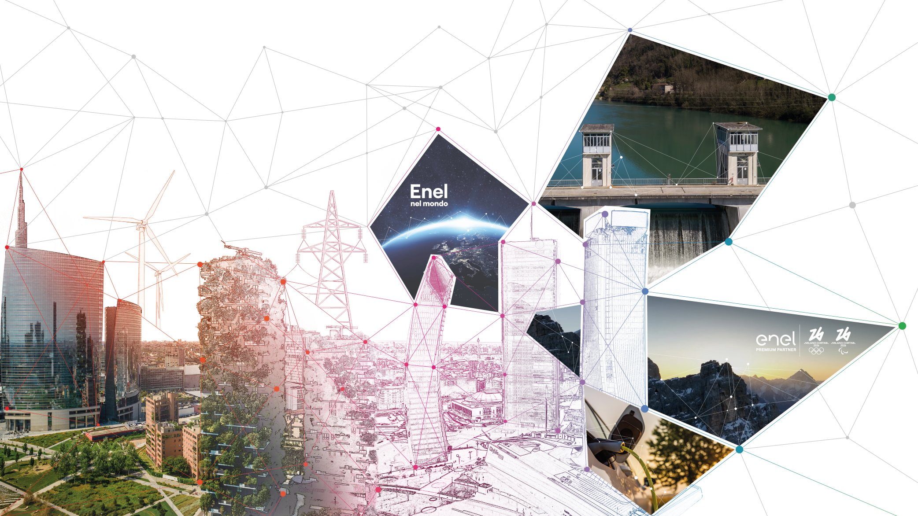
FY 2025
Consolidated results
March 19th , 2026

Investor Relations Team
investor.relations@enel.com
+39 06 8305 7975

Website
www.enel.com/investors

Investor Relations App
iOS
Android

